LCOS - Battery
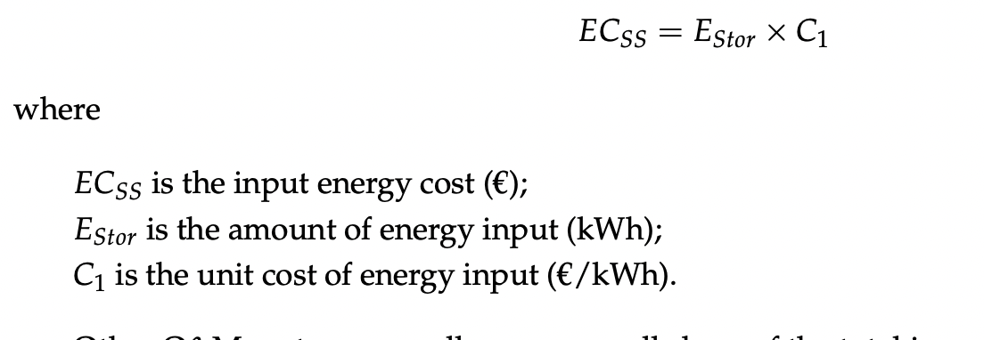
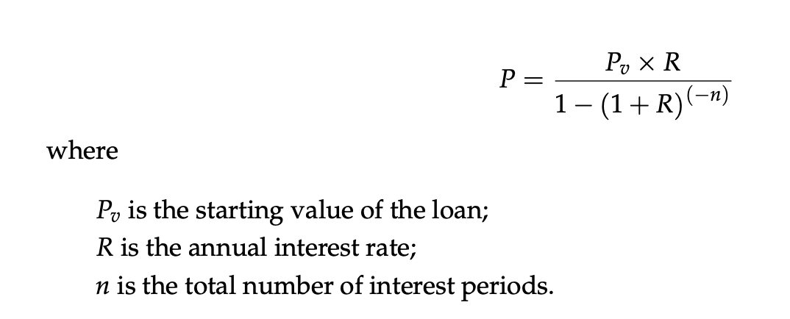
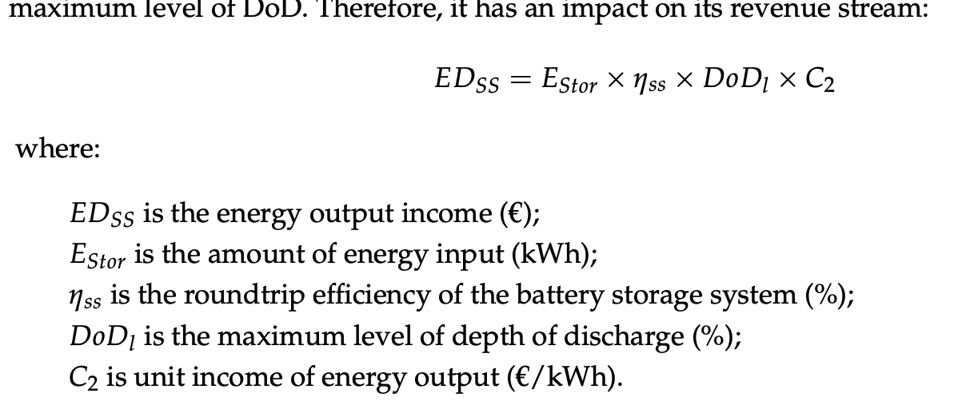
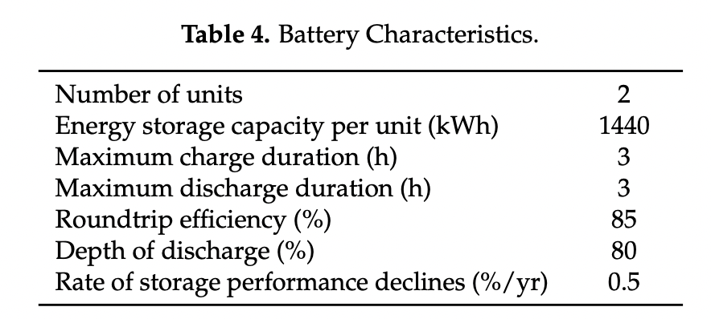
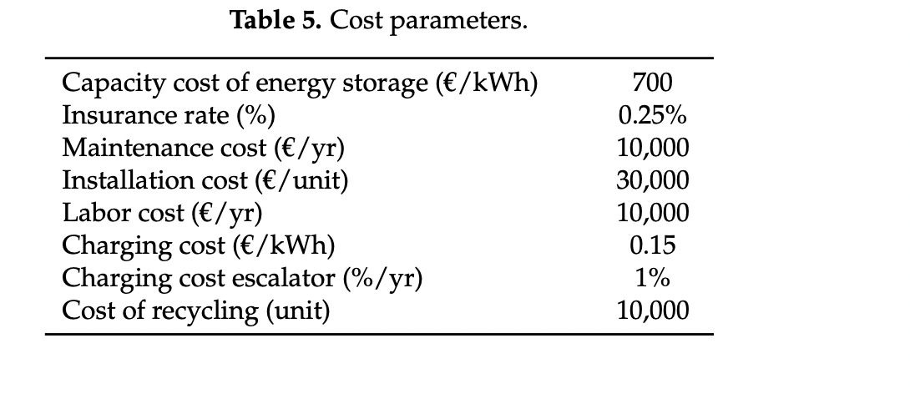
All numbers in USD and kWh
Electrochemical Energy Storage |  | 1 | 2 | 3 | 4 | 5 | 6 | 7 | 8 | 9 | 10 | 11 | 12 | 13 | 14 | 15 | 16 | 17 | 18 | 19 | 20
Discount rate | 12%
Capex | 384,800
Tax credit (U.S. reg) | 26%
Price per kWh | -
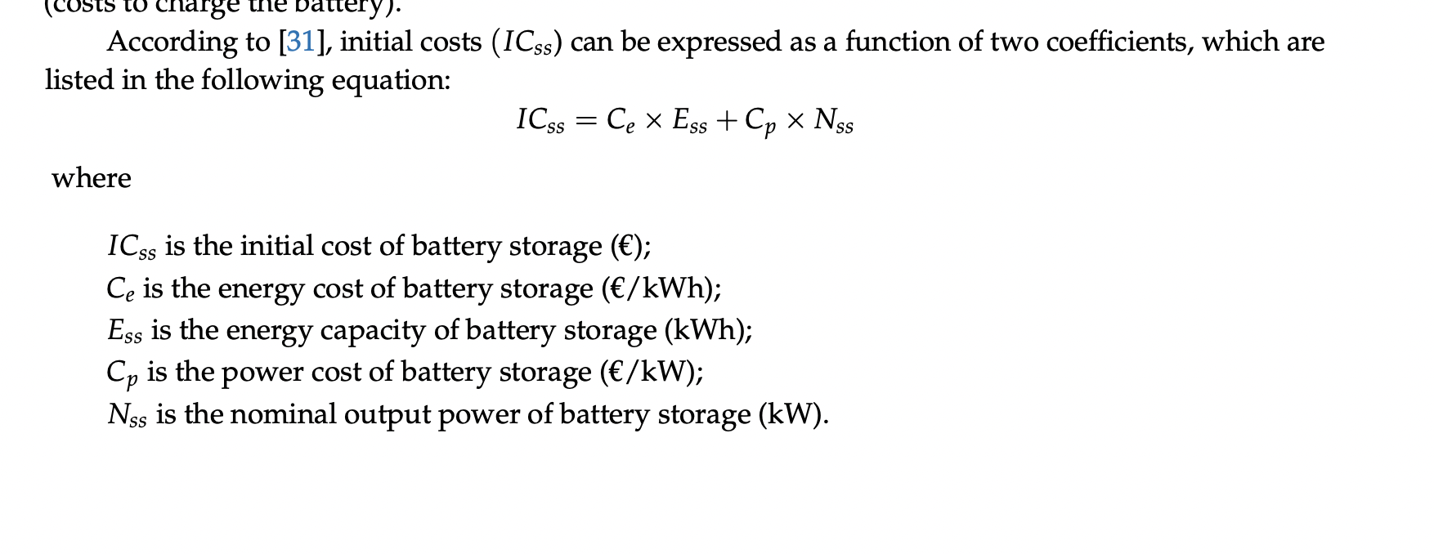
Opex (apart from charging) |  | -1,566 | -1,565 | -1,564 | -1,563 | -1,562 | -1,561 | -1,560 | -1,559 | -1,558 | -1,557 | -1,557 | -1,556 | -1,555 | -1,554 | -1,553 | -1,552 | -1,551 | -1,550 | -1,549 | -1,548
Discounted Opex | 11,655 | 1,398 | 1,248 | 1,113 | 994 | 887 | 791 | 706 | 630 | 562 | 501 | 447 | 399 | 356 | 318 | 284 | 253 | 226 | 202 | 180 | 160
Charging exp |  | -1,410 | -1,409 | -1,408 | -1,407 | -1,406 | -1,405 | -1,404 | -1,403 | -1,403 | -1,402 | -1,401 | -1,400 | -1,399 | -1,398 | -1,397 | -1,396 | -1,396 | -1,395 | -1,394 | -1,393
Discounted charging exp | 10,490 | 1,259 | 1,123 | 1,002 | 894 | 798 | 712 | 635 | 567 | 506 | 451 | 403 | 359 | 321 | 286 | 255 | 228 | 203 | 181 | 162 | 144
Battery replacement cost
Battery cost |  | 354,016 | 325,695 | 299,639 | 275,668 | 253,615 | 233,325 | 214,659 | 197,487 | 181,688 | 167,153 | 153,780 | 141,478 | 130,160 | 119,747 | 110,167 | 101,354 | 93,246 | 85,786 | 78,923 | 72,609
Battery cost drop rate | 8%
Battery replacement flag |  |  |  |  |  | 1 |  |  |  |  | 1 |  |  |  |  | 1 |  |  |  |  | 1
Battery degradation | 3%
Battery remaining capacity |  | 97% | 94% | 91% | 88% | 85% | 97% | 94% | 91% | 88% | 85% | 97% | 94% | 91% | 88% | 85% | 97% | 94% | 91% | 88% | 85%
Cost of depreciated battery |  | 343,396 | 306,153 | 272,672 | 242,588 | 215,572 | 226,326 | 201,780 | 179,713 | 159,885 | 142,080 | 149,167 | 132,989 | 118,445 | 105,377 | 93,642 | 98,313 | 87,651 | 78,065 | 69,452 | 61,718
Discounted price of depreciated battery |  | - | - | - | - | 122,322 | - | - | - | - | 45,746 | - | - | - | - | 17,108 | - | - | - | - | 6,398
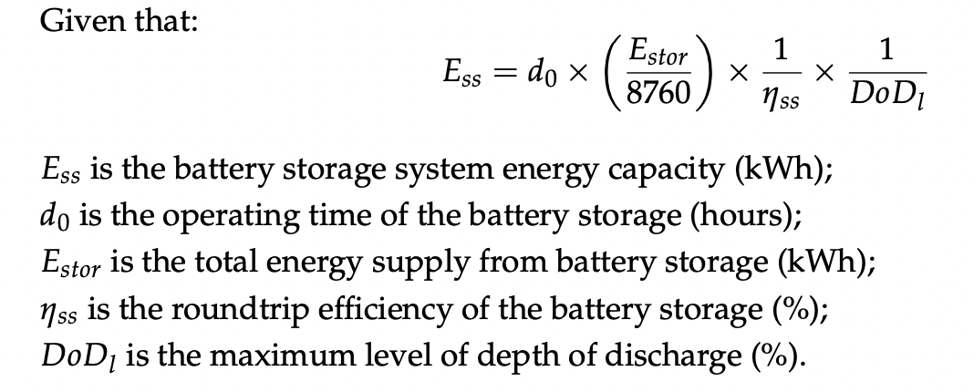
Discounted battery change exp | 33,807 | - | - | - | - | -21,586 | - | - | - | - | -8,073 | - | - | - | - | -3,019 | - | - | - | - | -1,129
Discharged electricity |  | 366 | 357 | 348 | 339 | 331 | 322 | 314 | 306 | 299 | 291 | 284 | 277 | 270 | 263 | 257 | 250 | 244 | 238 | 232 | 226
Nominal input ( mWh) |  | 437 | 426 | 415 | 405 | 395 | 385 | 375 | 366 | 357 | 348 | 339 | 330 | 322 | 314 | 306 | 299 | 291 | 284 | 277 | 270
Working days | 350
Depth of Discharge | 0.9
Efficiency_1 | 0.95
Loss | 0.02
Discounted discharged electricity exp | 2,365 | -327 | -284 | -248 | -215 | -188 | -163 | -142 | -124 | -108 | -94 | -82 | -71 | -62 | -54 | -47 | -41 | -36 | -31 | -27 | -23
LCOS USD / mWh | 186

LCOS USD / mWh | 186

Grid + solar + CAISO
USD per MW (double) | USD per MW | % of time | Hours per day | Return time (#days when at least one seen)
22.52 | 11.26 | 0.05 | 1.2 | 0
39.96 | 19.98 | 0.1 | 2.4 | 0
47.72 | 23.86 | 0.15 | 3.6 | 0
54.82 | 27.41 | 0.2 | 4.8 | 0
59.5 | 29.75 | 0.25 | 6 | 0 |  | --> price from grid
62.23 | 31.115 | 0.3 | 7.2 | 0
64.53 | 32.265 | 0.35 | 8.4 | 0.01
66.69 | 33.345 | 0.4 | 9.6 | 0.01
69.19 | 34.595 | 0.45 | 10.8 | 0.01
71.57 | 35.785 | 0.5 | 12 | 0.01
74.27 | 37.135 | 0.55 | 13.2 | 0.01
77.04 | 38.52 | 0.6 | 14.4 | 0.01
80.39 | 40.195 | 0.65 | 15.6 | 0.01
84.08 | 42.04 | 0.7 | 16.8 | 0.01
88.48 | 44.24 | 0.75 | 18 | 0.01
93.26 | 46.63 | 0.8 | 19.2 | 0.02
99.74 | 49.87 | 0.85 | 20.4 | 0.02 | once in an hour
110.02 | 55.01 | 0.9 | 21.6 | 0.03
130.76 | 65.38 | 0.95 | 22.8 | 0.07
0.05 |  | 22.52
0.1 |  | 39.96
0.15 |  | 47.72
0.2 |  | 54.82
0.25 |  | 59.5
0.3 |  | 62.23
0.35 |  | 64.53
0.4 |  | 66.69
0.45 |  | 69.19
0.5 |  | 71.57
0.55 |  | 74.27
0.6 |  | 77.04
0.65 |  | 80.39
0.7 |  | 84.08
0.75 |  | 88.48
0.8 |  | 93.26
0.85 |  | 99.74
0.9 |  | 110.02
0.95 |  | 130.76
138.22 | 69.11 | 0.96 | 23.04 | 0.09 | 1h30 min per day
151.41 | 75.705 | 0.97 | 23.28 | 0.12 | 45 min per day
166.79 | 83.395 | 0.98 | 23.52 | 0.17 | 30 min per day
212.19 | 106.095 | 0.99 | 23.76 | 0.35
268.26 | 134.13 | 0.995 | 23.88 | 1 | once a day
492.12 | 246.06 | 0.999 | 23.976 | 3.5 | twice in a week
556.32 | 278.16 | 0.9995 | 23.988 | 6.9 | one in a week
2000.96 | 1000.48 | 0.9999 | 23.9976 | 34.7 | one in a month
2335.21 | 1167.605 | 0.99999 | 23.99976 | 347.2 | once in a year

